Result
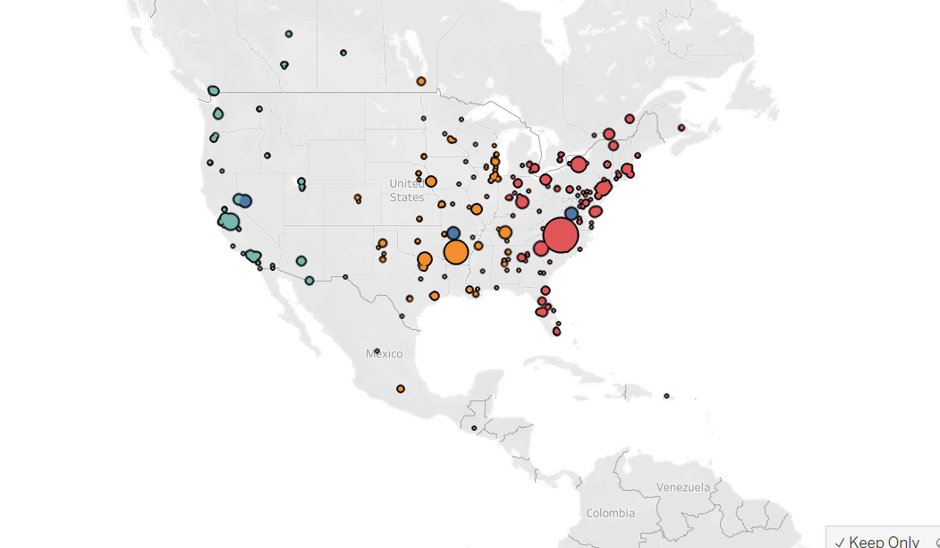
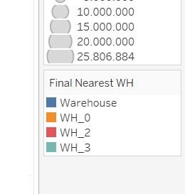
Warehouse Number | Average of Min_Distance | Count of Final Nearest WH | Min of Min_Distance | Max of Min_Distance | Sum of Total_Demand
WH_0 | 689.41886055 | 171 | 48.331871635 | 2376.1963085 | 38023987.03
WH_2 | 770.75512374 | 236 | 47.838592285 | 14347.050175 | 79033454.976
WH_3 | 1297.7128108 | 130 | 73.023007872 | 13570.214683 | 28147702.431
Grand Total | 872.42364946 | 537 | 47.838592285 | 14347.050175 | 145205144.44

Warehouse Number | Average of Min_Distance | Count of Final Nearest WH | Min Store Distance from Warehouse | Max Store Distance From Warehouse | Total Demand Catered | 50% Business | 80% Business | % Contribution
WH_0 | 689.41886055 | 171 | 48.331871635 | 2376.1963085 | 38023987.03 | 429KM | 749KM | 26%
WH_2 | 770.75512374 | 236 | 47.838592285 | 14347.050175 | 79033454.976 | 434KM | 740KM | 54%
WH_3 | 1297.7128108 | 130 | 73.023007872 | 13570.214683 | 28147702.431 | 610KM | 954KM | 19%
Grand Total | 872.42364946 | 537 | 47.838592285 | 14347.050175 | 145205144.44

